Sheet1
 | General Service Single Phase Rate Comparison Tool

Enter Your On-Peak kWh, Off-peak kWh, and Maximum Demand kW from your monthly bill below:

On-peak kWh | 0 | Off-peak kwh | 0 | Maximum Demand | 0

Time Of Use Demand Rate |  |  |  |  | All Energy Rate
On-peak kWh Rate | $0.13200 | On-peak kWh Cost | $- |  | kWh Rate | $0.10599 | kWh Cost | $-
Off-peak kWh Rate | $0.04339 | Off-peak kWh Cost | $- |  | PCA Rate | $0.00371 | PCA Cost | $-
Max kW Demand Rate | $6.92 | Max kW Demand Cost | $- |  | Grid Access Charge | $38.00 | Total Cost | $38.00
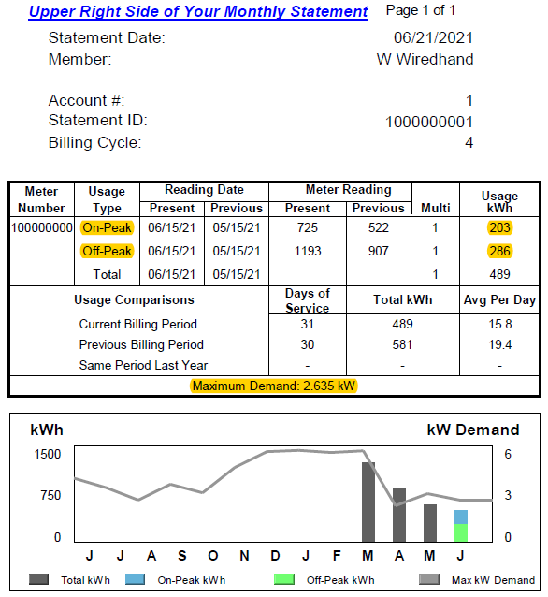
Grid Access Charge | $32.00 | Total Cost | $32.00

 | General Service Single Phase Average TOU Split
 | Month | On Peak % | Off Peak %
 | Jul-20 | 44% | 56%
 | Aug-20 | 43% | 57%
 | Sep-20 | 42% | 58%
 | Oct-20 | 39% | 61%
 | Nov-20 | 36% | 64%
 | Dec-20 | 37% | 63%
 | Jan-21 | 35% | 65%
 | Feb-21 | 36% | 64%
 | Mar-21 | 37% | 63%
 | Average | 39% | 61%

